Priorization
 | High Priorization |  |  | Low (Third) Priorization |  | Medium (Second) Priorization

DoS (Server) |  |  | Alteration (Backup) |  | Intrusion (ADSL Connection)

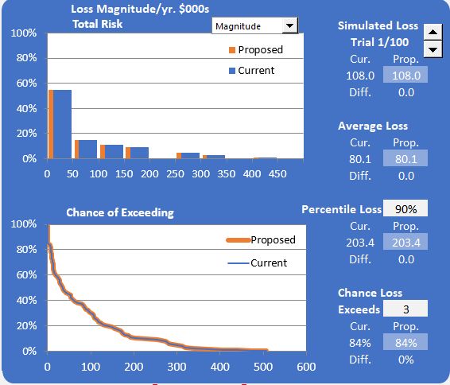
 | Programmers make endless tests by error making the server not available or with low response capabilities

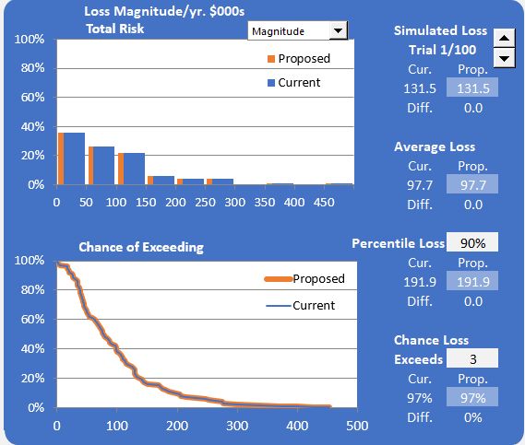
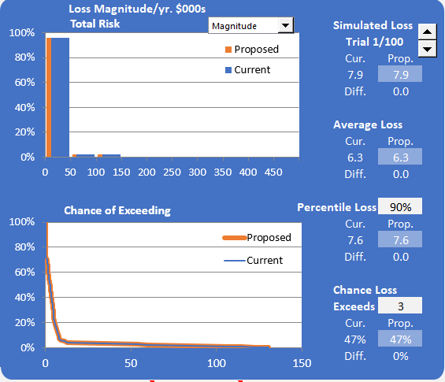

 |  | We decided to prioritize the DoS Server. This due to the fact that is the one that affects more Supranet. It is the most expensive and prone to occur. Since the company is still and startup we decided to maintain teh appearances of each problem in the same range of appearance. Having almost the same probability per year in all the scenarios has shown us the chances of being attacked and the cost it would in the company. The alteration problem is the lowest in cost nevertheless it is still having a high impact in the startup.

